Defect Sheet
 |  | Course Name | CET-Name Screening-Core
 |  | Course deeplink | UAT - content testing - CET_Name_Screening_Core_eLearning_Eng_V1_Test
 |  | RM | Rekha
 |  | Vendor | GC-Solutions


S.no | Iteration | Date | Description of the Defect | Type of Issue | Severity | Status | Reported By | Screenshot | Comments | Last updated on | Issue Closed on | Defect's Age
1 | 1 | 2017-05-09 | spalsh screen - view the spalsh screen and move to next page. Revisit the spalsh screen again. observe the next button is disabled. it must be enabled if the user has visited already. | Functionality | Moderate | Open | Muthu |  | Gcube: Done | 2017-05-09 |  | -42864
2 | 1 | 2017-05-09 | Spalsh screen - revisit to the spalash screen. click on the progress bar button 1,2,3,4 then again 2, 3. Observe that the audio stops playing and the progress is not moving in the box. | Functionality | Moderate | Open | Muthu |  | Gcube: Slider has changed | 2017-05-09 |  | -42864
3 | 1 | 2017-05-09 | Page 3 must be enabled if the user has visited already. | Functionality | Moderate | Open | Muthu |  | Gcube: Done | 2017-05-09
4 | 1 | 2017-05-09 | The bookmark is not working properly when the internet is disconnected and connected back again. Navigate to few pages. Ex. 10 pages. Disconnect the internet. click the next button. internet disconnect alert will appear. Press Ok. connect the internet. click on next and browser upto 15 pages. internet disconnect alert will appear. Press Ok. close the course. connect to the internet. Launch the course. click ok to the bookmark alert. Onbserve that the bookmark is redirect to the 10th page. it must be redirect to the last visited page. ie. Page 15. | Functionality | Major | Open | Muthu |  | QC Cmts: working fine after waiting for 10 seconds on every page. | 2017-05-09 |  | -42864
5 | 1 | 2017-05-09 | Visit Pages 18, 21, 24 Click on the Fact Click on the next button to move on to next page. clcik back button to back to previous page. Observe that the Next button is disabled. It must be enabled, since this page has visited already and the fact has read already. | Functionality | Moderate | Open |  |  | Gcube: Done | 2017-05-09 |  | -42864
6 | 1 | 2017-05-09 | disable Help, Glossary, Menu, and Back buttons in the results summary | Functionality | Minor | Open |  |  | Gcube: Done | 2017-05-09 |  | -42864
7 | 1 | 2017-05-09 | Certificate - add (eLearning) next to the course name in the certificate. | Content | Minor | Open |  |  | Gcube: Done | 2017-05-09 |  | -42864
8 | 1 | 2017-05-09 | If an user has passed in the assessment, no need to take the assessment once again. redirect the user to the results summary page if he has passed the assessment and click on the assessment link. | Functionality | Major | Open |  |  | Gcube: Done | 2017-05-09 |  | -42864
9 | 1 | 2017-05-09 | The internet disconnection alert is not appearing when the internet connection is off. The questions are loading from the cache and the user can be able to see the results summary page. The scores are not updated correctly to the LMS when there is multiple internet disconnections in the assessment pages. | Functionality | Major | Open |  |  | QC Cmts: The scenario is replicated only if the wire is unplugged and the assessment questions are attempted immediately after unplugging. This way, we will be able to attempt next 1 or two questions. But, when the wire is unplugged and if we wait for 3-4 seconds, the next assessment questions will not load. The screen will freeze and we will not be able to click the next button. | 2017-05-09 |  | -42864
10 | 1 | 2017-05-09 | Only nine questions are recorded in the LMS. Please refer the screenshot. | Functionality | Major | Open |  | 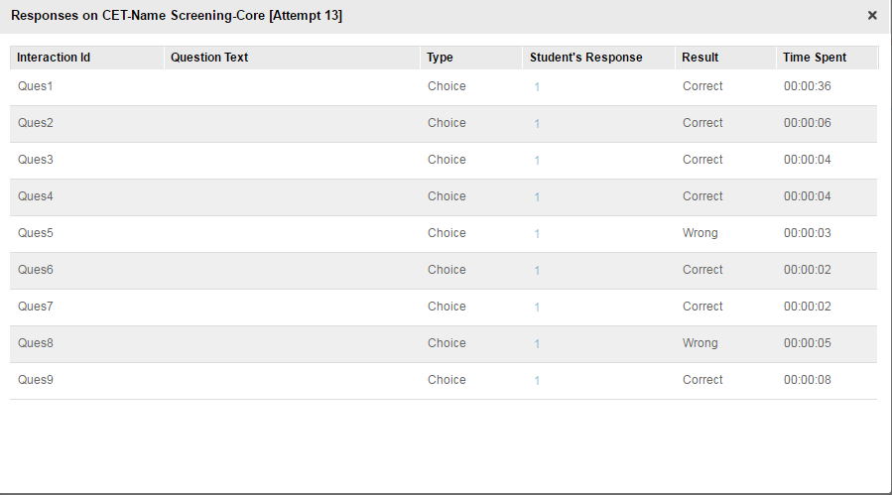 | Gcube: Done | 2017-05-09
11 | 1 | 2017-05-09 | Provide a non random version of assessment with the answer key to verify correct answers for all questions. | Functionality | Moderate | Open |  |  | Gcube: Done | 2017-05-09 |  | -42864
12 | 1 | 2017-05-09 | Audio Seekbar is required and the audio Progress bar at the top right content area should be removed. | Functionality | Major | Open |  |  | Gcube: Done. On page 1, seekbar will be disabled | 2017-05-09 |  | -42864
 |  |  |  |  |  |  |  |  |  |  |  | 0
 |  |  |  |  |  |  |  |  |  |  |  | 0
 |  |  |  |  |  |  |  |  |  |  |  | 0
 |  |  |  |  |  |  |  |  |  |  |  | 0
 |  |  |  |  |  |  |  |  |  |  |  | 0
 |  |  |  |  |  |  |  |  |  |  |  | 0
 |  |  |  |  |  |  |  |  |  |  |  | 0
 |  |  |  |  |  |  |  |  |  |  |  | 0
 |  |  |  |  |  |  |  |  |  |  |  | 0
 |  |  |  |  |  |  |  |  |  |  |  | 0
 |  |  |  |  |  |  |  |  |  |  |  | 0
 |  |  |  |  |  |  |  |  |  |  |  | 0
 |  |  |  |  |  |  |  |  |  |  |  | 0
 |  |  |  |  |  |  |  |  |  |  |  | 0
 |  |  |  |  |  |  |  |  |  |  |  | 0
 |  |  |  |  |  |  |  |  |  |  |  | 0
 |  |  |  |  |  |  |  |  |  |  |  | 0
 |  |  |  |  |  |  |  |  |  |  |  | 0
 |  |  |  |  |  |  |  |  |  |  |  | 0
 |  |  |  |  |  |  |  |  |  |  |  | 0
 |  |  |  |  |  |  |  |  |  |  |  | 0
 |  |  |  |  |  |  |  |  |  |  |  | 0
 |  |  |  |  |  |  |  |  |  |  |  | 0
 |  |  |  |  |  |  |  |  |  |  |  | 0
 |  |  |  |  |  |  |  |  |  |  |  | 0
 |  |  |  |  |  |  |  |  |  |  |  | 0
 |  |  |  |  |  |  |  |  |  |  |  | 0
 |  |  |  |  |  |  |  |  |  |  |  | 0
 |  |  |  |  |  |  |  |  |  |  |  | 0
 |  |  |  |  |  |  |  |  |  |  |  | 0
 |  |  |  |  |  |  |  |  |  |  |  | 0
 |  |  |  |  |  |  |  |  |  |  |  | 0
 |  |  |  |  |  |  |  |  |  |  |  | 0
 |  |  |  |  |  |  |  |  |  |  |  | 0
 |  |  |  |  |  |  |  |  |  |  |  | 0
 |  |  |  |  |  |  |  |  |  |  |  | 0
 |  |  |  |  |  |  |  |  |  |  |  | 0
 |  |  |  |  |  |  |  |  |  |  |  | 0
 |  |  |  |  |  |  |  |  |  |  |  | 0
 |  |  |  |  |  |  |  |  |  |  |  | 0
 |  |  |  |  |  |  |  |  |  |  |  | 0
 |  |  |  |  |  |  |  |  |  |  |  | 0
 |  |  |  |  |  |  |  |  |  |  |  | 0
 |  |  |  |  |  |  |  |  |  |  |  | 0
 |  |  |  |  |  |  |  |  |  |  |  | 0
 |  |  |  |  |  |  |  |  |  |  |  | 0
 |  |  |  |  |  |  |  |  |  |  |  | 0
 |  |  |  |  |  |  |  |  |  |  |  | 0
 |  |  |  |  |  |  |  |  |  |  |  | 0
 |  |  |  |  |  |  |  |  |  |  |  | 0
 |  |  |  |  |  |  |  |  |  |  |  | 0
 |  |  |  |  |  |  |  |  |  |  |  | 0
 |  |  |  |  |  |  |  |  |  |  |  | 0
 |  |  |  |  |  |  |  |  |  |  |  | 0
 |  |  |  |  |  |  |  |  |  |  |  | 0
 |  |  |  |  |  |  |  |  |  |  |  | 0
 |  |  |  |  |  |  |  |  |  |  |  | 0
 |  |  |  |  |  |  |  |  |  |  |  | 0
 |  |  |  |  |  |  |  |  |  |  |  | 0
 |  |  |  |  |  |  |  |  |  |  |  | 0
 |  |  |  |  |  |  |  |  |  |  |  | 0
 |  |  |  |  |  |  |  |  |  |  |  | 0
 |  |  |  |  |  |  |  |  |  |  |  | 0
 |  |  |  |  |  |  |  |  |  |  |  | 0
 |  |  |  |  |  |  |  |  |  |  |  | 0
 |  |  |  |  |  |  |  |  |  |  |  | 0
 |  |  |  |  |  |  |  |  |  |  |  | 0
 |  |  |  |  |  |  |  |  |  |  |  | 0
 |  |  |  |  |  |  |  |  |  |  |  | 0
 |  |  |  |  |  |  |  |  |  |  |  | 0
 |  |  |  |  |  |  |  |  |  |  |  | 0
 |  |  |  |  |  |  |  |  |  |  |  | 0
 |  |  |  |  |  |  |  |  |  |  |  | 0
 |  |  |  |  |  |  |  |  |  |  |  | 0
 |  |  |  |  |  |  |  |  |  |  |  | 0
 |  |  |  |  |  |  |  |  |  |  |  | 0
 |  |  |  |  |  |  |  |  |  |  |  | 0
 |  |  |  |  |  |  |  |  |  |  |  | 0
 |  |  |  |  |  |  |  |  |  |  |  | 0
 |  |  |  |  |  |  |  |  |  |  |  | 0
 |  |  |  |  |  |  |  |  |  |  |  | 0
 |  |  |  |  |  |  |  |  |  |  |  | 0
 |  |  |  |  |  |  |  |  |  |  |  | 0
 |  |  |  |  |  |  |  |  |  |  |  | 0

